JOB TITLE (1)
Chicago Cook Workforce Partnership
On-the-Job Training (OJT) Employer Agreement

LWIA 7 Broker: ______________________
Employer Agreement # _______________________

Section 1: Job Title Description
JOB TITLE #1: |  | O*NET SOC CODE:

BRIEF JOB DESCRIPTION:

MINIMUM JOB/EDUCATION REQUIREMENTS:

LIST TOOLS OR EQUIPMENT NEEDED TO COMPLETE TRAINING:

WEEKLY HOURS FOR POSITION:

HOURLY WAGE:

REIMBURSEMENT RATE FOR POSITION (%):

REIMBURSEMENT WAGE FOR THIS POSITION:

TOTAL TRAINING HOURS REQUIRED FOR THIS POSITION: | (ATTACH EMPLOYER'S JOB DESCRIPTION AND TRAINEE'S RESUME AFTER ISTEP, AS WELL AS PROVE IT! RESULTS OR OTHER THIRD PARTY ASSESSMENT TOOLS UTILIZED)

POTENTIAL REIMBURSEMENT FOR ONE POSITION: (MAXIMUM IS $10,000)

NUMBER OF TRAINEES REQUESTED:

POTENTIAL REIMBURSEMENT FOR ALL POSITIONS:

Section 2: Training Supervisor Assigned to Trainee
NAME OF TRAINING SUPERVISOR ASSIGNED TO TRAINEE: |  | TITLE OF TRAINING SUPERVISOR ASSIGNED TO TRAINEE:

SUPERVISOR'S EMAIL:

SUPERVISOR'S PHONE NUMBER:

WILL TRAINING BE DONE ON EMPLOYER PREMISES? (IF NOT, PROVIDE TRAINING LOCATION)
 |  |  | Rev. 6/23/2022
Is the row too tall or is some of the text not showing? You can adjust the height of the row by pulling the line of the bottom border down from the far left row-indicator until the row height is as desired. Make sure you have a cell selected in the row.
Are there rows that are not used? You can hide a row by selecting the first cell in the row (under Existing Skills) and then right-clicking the row number indicator (far left) and then choose 'Hide'. Repeat as necessary.

JOB TITLE (2)
Chicago Cook Workforce Partnership
On-the-Job Training (OJT) Employer Agreement

LWIA 7 Broker: ______________________
Employer Agreement # _______________________

Section 1: Job Title Description
JOB TITLE #2: |  | O*NET SOC CODE:

BRIEF JOB DESCRIPTION:

MINIMUM JOB/EDUCATION REQUIREMENTS:

LIST TOOLS OR EQUIPMENT NEEDED TO COMPLETE TRAINING:

WEEKLY HOURS FOR POSITION:

HOURLY WAGE:

REIMBURSEMENT RATE FOR POSITION (%):

REIMBURSEMENT WAGE FOR THIS POSITION:

TOTAL TRAINING HOURS REQUIRED FOR THIS POSITION: | (ATTACH EMPLOYER'S JOB DESCRIPTION AND TRAINEE'S RESUME AFTER ISTEP, AS WELL AS PROVE IT! RESULTS OR OTHER THIRD PARTY ASSESSMENT TOOLS UTILIZED)

POTENTIAL REIMBURSEMENT FOR ONE POSITION: (MAXIMUM IS $10,000)

NUMBER OF TRAINEES REQUESTED:

POTENTIAL REIMBURSEMENT FOR ALL POSITIONS:

Section 2: Training Supervisor Assigned to Trainee
NAME OF TRAINING SUPERVISOR ASSIGNED TO TRAINEE: |  | TITLE OF TRAINING SUPERVISOR ASSIGNED TO TRAINEE:

SUPERVISOR'S EMAIL:

SUPERVISOR'S PHONE NUMBER:

WILL TRAINING BE DONE ON EMPLOYER PREMISES? (IF NOT, PROVIDE TRAINING LOCATION)
 |  |  | Rev. 6/23/2022
Is the row too tall or is some of the text not showing? You can adjust the height of the row by pulling the line of the bottom border down from the far left row-indicator until the row height is as desired. Make sure you have a cell selected in the row.
Are there rows that are not used? You can hide a row by selecting the first cell in the row (under Existing Skills) and then right-clicking the row number indicator (far left) and then choose 'Hide'. Repeat as necessary.

JOB TITLE (3)
Chicago Cook Workforce Partnership
On-the-Job Training (OJT) Employer Agreement

LWIA 7 Broker: ______________________
Employer Agreement # _______________________

Section 1: Job Title Description
JOB TITLE #3: |  | O*NET SOC CODE:

BRIEF JOB DESCRIPTION:

MINIMUM JOB/EDUCATION REQUIREMENTS:

LIST TOOLS OR EQUIPMENT NEEDED TO COMPLETE TRAINING:

WEEKLY HOURS FOR POSITION:

HOURLY WAGE:

REIMBURSEMENT RATE FOR POSITION (%):

REIMBURSEMENT WAGE FOR THIS POSITION:

TOTAL TRAINING HOURS REQUIRED FOR THIS POSITION: | (ATTACH EMPLOYER'S JOB DESCRIPTION AND TRAINEE'S RESUME AFTER ISTEP, AS WELL AS PROVE IT! RESULTS OR OTHER THIRD PARTY ASSESSMENT TOOLS UTILIZED)

POTENTIAL REIMBURSEMENT FOR ONE POSITION: (MAXIMUM IS $10,000)

NUMBER OF TRAINEES REQUESTED:

POTENTIAL REIMBURSEMENT FOR ALL POSITIONS:

Section 2: Training Supervisor Assigned to Trainee
NAME OF TRAINING SUPERVISOR ASSIGNED TO TRAINEE: |  | TITLE OF TRAINING SUPERVISOR ASSIGNED TO TRAINEE:

SUPERVISOR'S EMAIL:

SUPERVISOR'S PHONE NUMBER:

WILL TRAINING BE DONE ON EMPLOYER PREMISES? (IF NOT, PROVIDE TRAINING LOCATION)
 |  |  | Rev. 6/23/2022
Is the row too tall or is some of the text not showing? You can adjust the height of the row by pulling the line of the bottom border down from the far left row-indicator until the row height is as desired. Make sure you have a cell selected in the row.
Are there rows that are not used? You can hide a row by selecting the first cell in the row (under Existing Skills) and then right-clicking the row number indicator (far left) and then choose 'Hide'. Repeat as necessary.

JOB TITLE (4)
Chicago Cook Workforce Partnership
On-the-Job Training (OJT) Employer Agreement

LWIA 7 Broker: ______________________
Employer Agreement # _______________________

Section 1: Job Title Description
JOB TITLE #4: |  | O*NET SOC CODE:

BRIEF JOB DESCRIPTION:

MINIMUM JOB/EDUCATION REQUIREMENTS:

LIST TOOLS OR EQUIPMENT NEEDED TO COMPLETE TRAINING:

WEEKLY HOURS FOR POSITION:

HOURLY WAGE:

REIMBURSEMENT RATE FOR POSITION (%):

REIMBURSEMENT WAGE FOR THIS POSITION:

TOTAL TRAINING HOURS REQUIRED FOR THIS POSITION: | (ATTACH EMPLOYER'S JOB DESCRIPTION AND TRAINEE'S RESUME AFTER ISTEP, AS WELL AS PROVE IT! RESULTS OR OTHER THIRD PARTY ASSESSMENT TOOLS UTILIZED)

POTENTIAL REIMBURSEMENT FOR ONE POSITION: (MAXIMUM IS $10,000)

NUMBER OF TRAINEES REQUESTED:

POTENTIAL REIMBURSEMENT FOR ALL POSITIONS:

Section 2: Training Supervisor Assigned to Trainee
NAME OF TRAINING SUPERVISOR ASSIGNED TO TRAINEE: |  | TITLE OF TRAINING SUPERVISOR ASSIGNED TO TRAINEE:

SUPERVISOR'S EMAIL:

SUPERVISOR'S PHONE NUMBER:

WILL TRAINING BE DONE ON EMPLOYER PREMISES? (IF NOT, PROVIDE TRAINING LOCATION)
 |  |  | Rev. 6/23/2022
Is the row too tall or is some of the text not showing? You can adjust the height of the row by pulling the line of the bottom border down from the far left row-indicator until the row height is as desired. Make sure you have a cell selected in the row.
Are there rows that are not used? You can hide a row by selecting the first cell in the row (under Existing Skills) and then right-clicking the row number indicator (far left) and then choose 'Hide'. Repeat as necessary.

JOB TITLE (5)
Chicago Cook Workforce Partnership
On-the-Job Training (OJT) Employer Agreement

LWIA 7 Broker: ______________________
Employer Agreement # _______________________

Section 1: Job Title Description
JOB TITLE #5: |  | O*NET SOC CODE:

BRIEF JOB DESCRIPTION:

MINIMUM JOB/EDUCATION REQUIREMENTS:

LIST TOOLS OR EQUIPMENT NEEDED TO COMPLETE TRAINING:

WEEKLY HOURS FOR POSITION:

HOURLY WAGE:

REIMBURSEMENT RATE FOR POSITION (%):

REIMBURSEMENT WAGE FOR THIS POSITION:

TOTAL TRAINING HOURS REQUIRED FOR THIS POSITION: | (ATTACH EMPLOYER'S JOB DESCRIPTION AND TRAINEE'S RESUME AFTER ISTEP, AS WELL AS PROVE IT! RESULTS OR OTHER THIRD PARTY ASSESSMENT TOOLS UTILIZED)

POTENTIAL REIMBURSEMENT FOR ONE POSITION: (MAXIMUM IS $10,000)

NUMBER OF TRAINEES REQUESTED:

POTENTIAL REIMBURSEMENT FOR ALL POSITIONS:

Section 2: Training Supervisor Assigned to Trainee
NAME OF TRAINING SUPERVISOR ASSIGNED TO TRAINEE: |  | TITLE OF TRAINING SUPERVISOR ASSIGNED TO TRAINEE:

SUPERVISOR'S EMAIL:

SUPERVISOR'S PHONE NUMBER:

WILL TRAINING BE DONE ON EMPLOYER PREMISES? (IF NOT, PROVIDE TRAINING LOCATION)
 |  |  | Rev. 6/23/2022
Is the row too tall or is some of the text not showing? You can adjust the height of the row by pulling the line of the bottom border down from the far left row-indicator until the row height is as desired. Make sure you have a cell selected in the row.
Are there rows that are not used? You can hide a row by selecting the first cell in the row (under Existing Skills) and then right-clicking the row number indicator (far left) and then choose 'Hide'. Repeat as necessary.

ISTEP Tips
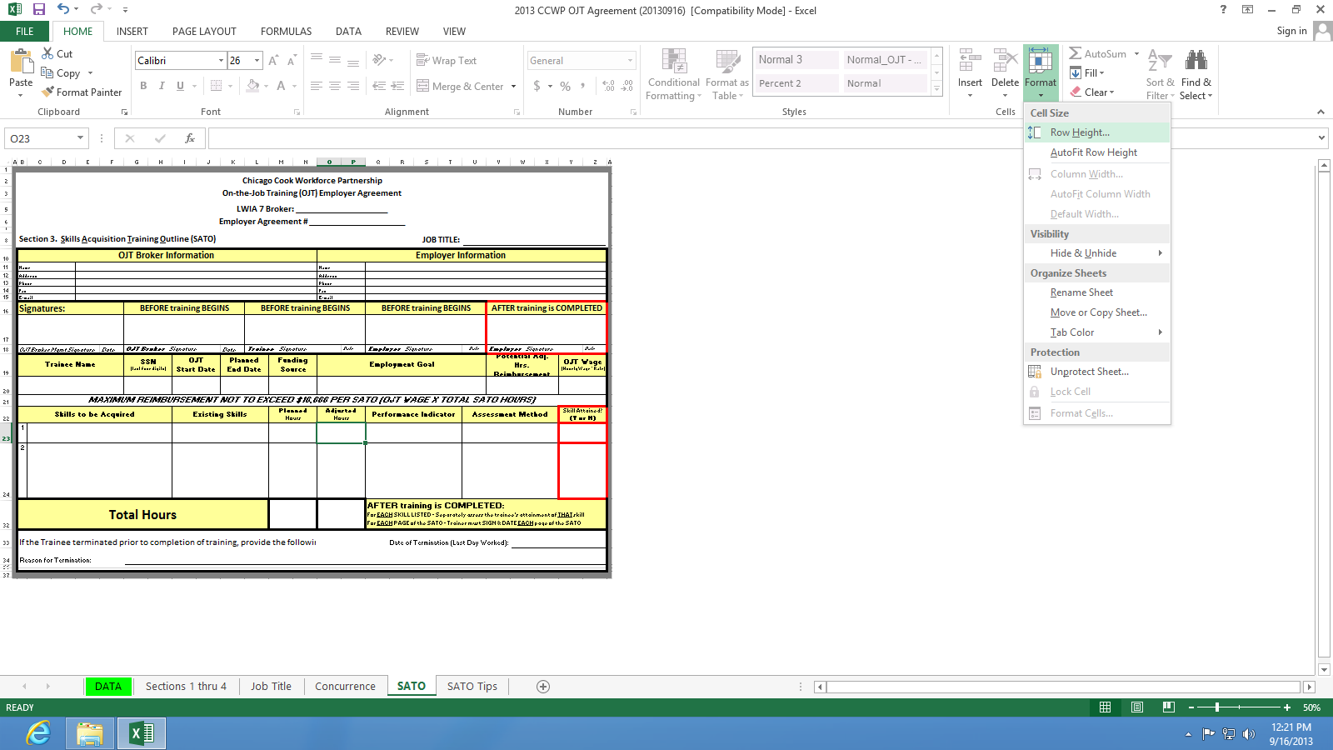
How to Hide and UnHide rows on the ISTEP (formerly known and noted in diagram below as SATO)
How to adjust the Row Height for skills on the ISTEP

If your ISTEP only has 2 skills, the unused rows for skills 3-9 should be hidden so the number of PRINTED pages can be kept to a minimum. Remember, EACH page of the ISTEP requires ALL signatures.

Similarly, if you have been able to describe the Skills to be Acquired, Existing skills, Performance Indicator and the Assessment Method is a few short phrases or sentences, it might be beneficial to reduce the row height for that skills so more skills can be printed on one page. Alternatively, if any of your descriptions require a great deal of explanation, you might need to increase the row height for that skill so the entire explanation is printed.

The steps taken to hide and unhide rows or to adjust row height can differ with different versions of Excel but thought process used to accomplish the outcome is very similar.

Excel 2016
Continuing with the example where only 2 skills are required for a Job Title. To hide the rows for skills 3-9,
Select the cells in the Adjusted Hours column for skills 3-9

Then select Format - Row - Hide (as shown in the example below)
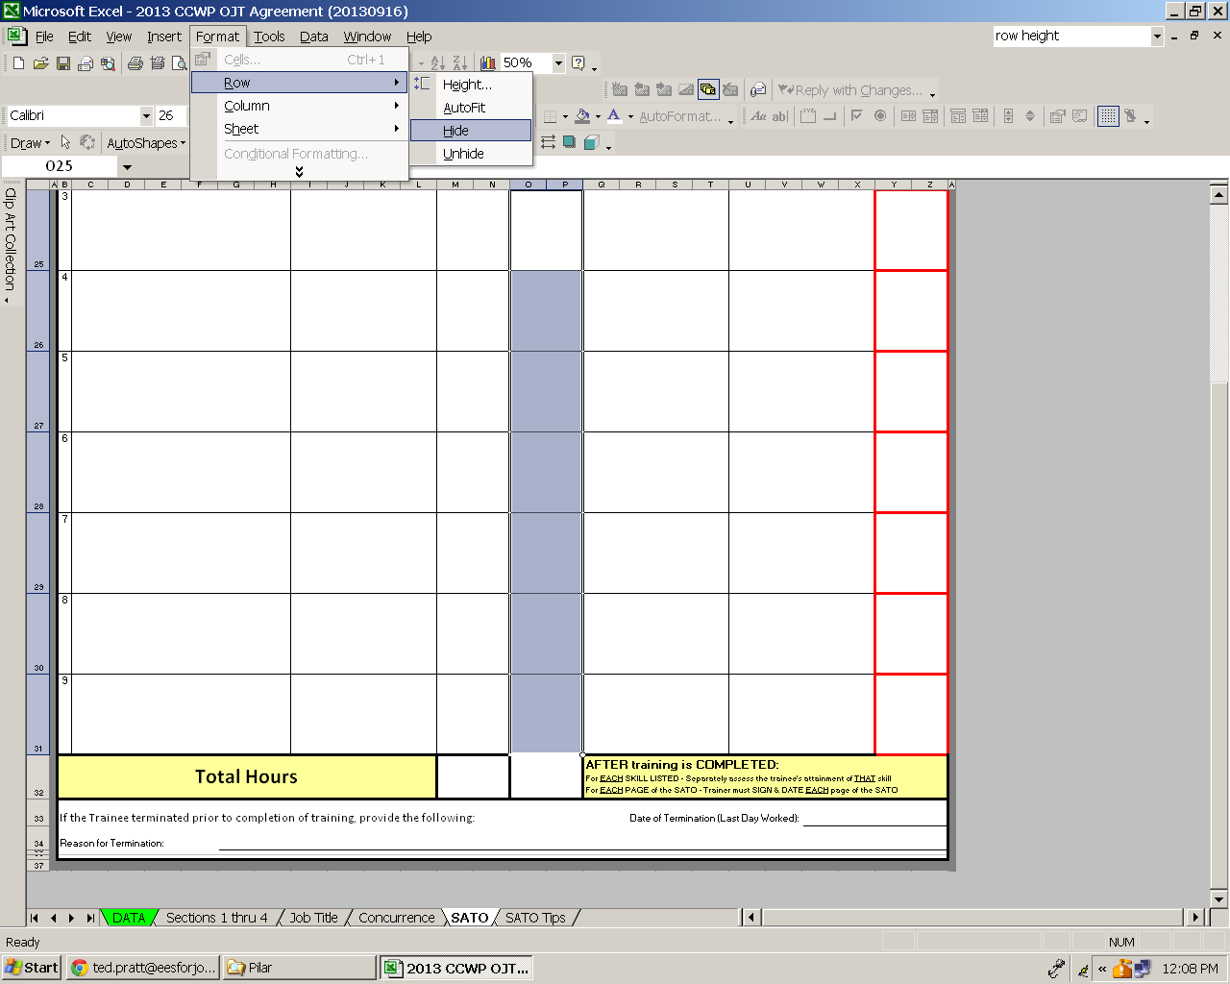

Excel 2013
Go to the HOME ribbon - Choose Format - Hide & UnHide - Hide Row

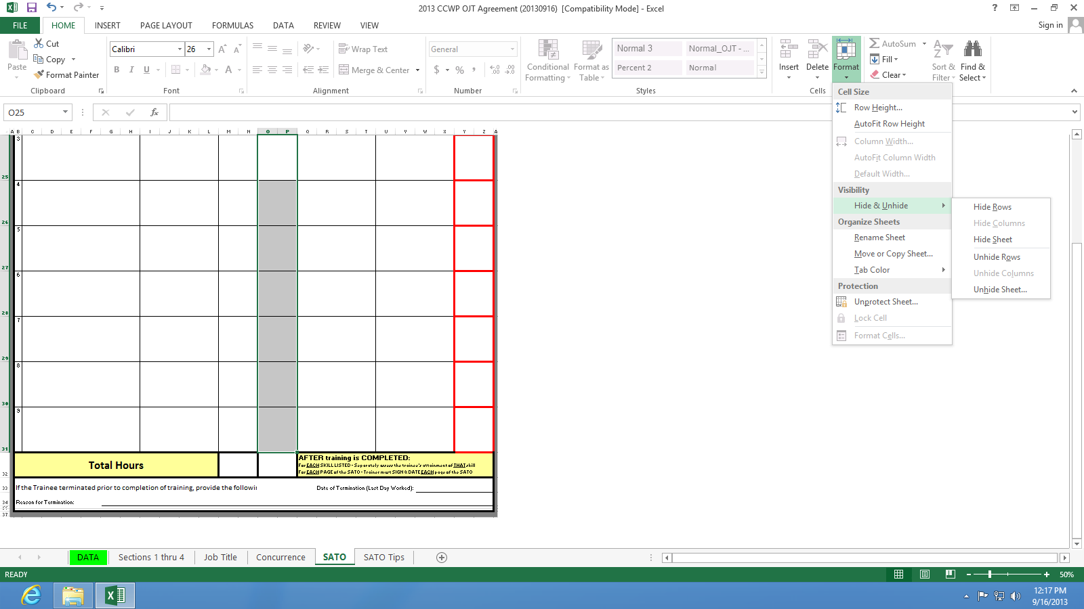

Excel 2002
To Adjust Row Height if necessary
Using the mouse pointer, click on the bottom border indicator in the far left row indicator column (to the left of column A) and drag the bottom row border to the desired height.

Alternatively, you can select a cell on the row whose height you wish to change
Then select Format - Row - Height (as shown in the example below)
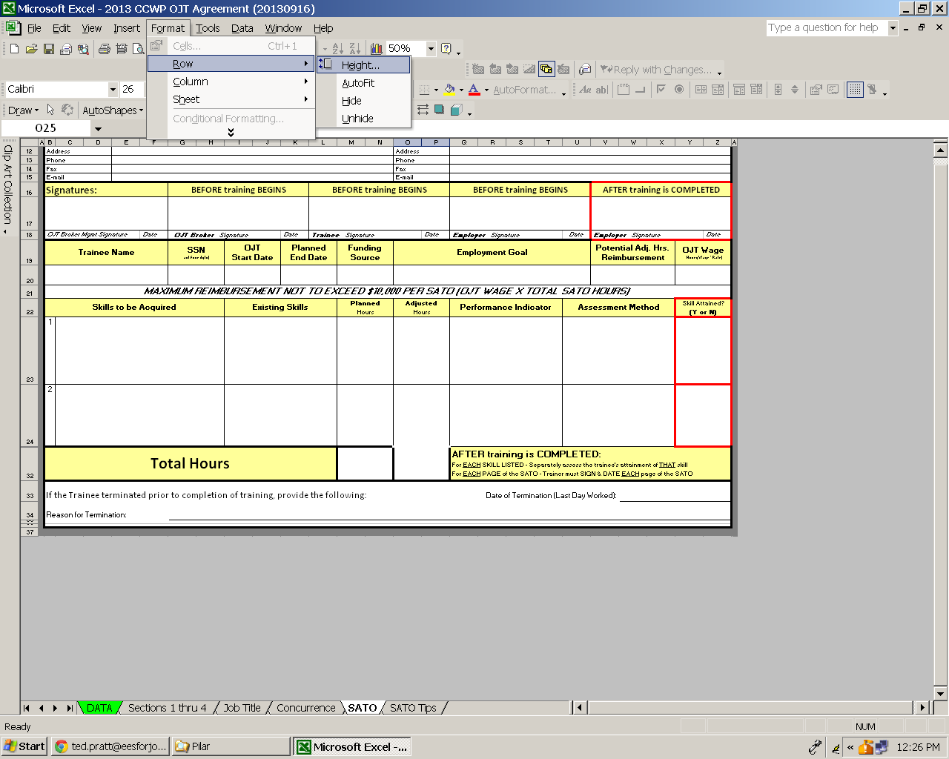

Excel 2013
To Adjust Row Height if necessary
Using the mouse pointer, click on the bottom border indicator in the far left row indicator column (to the left of column A) and drag the bottom row border to the desired height.

Alternatively, you can select a cell on the row whose height you wish to change
Go to the HOME ribbon - Choose Format - Row Height OR Autofit Row Height

